Sheet1
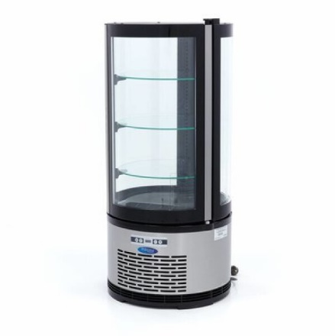
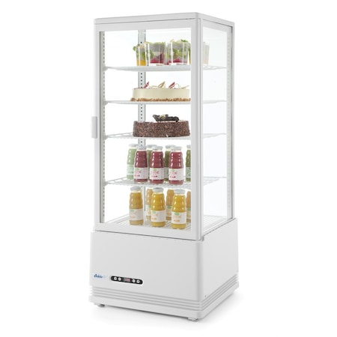
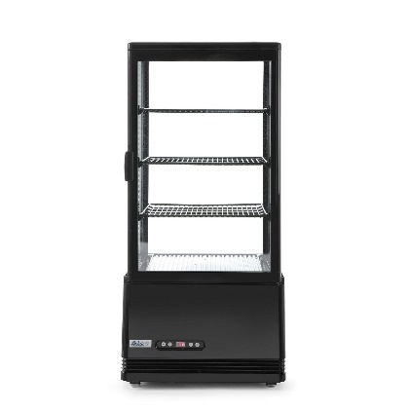
Caracteristici | UM | P1 | P2 | P3 | P4 | Total | αi | BOG - M09400841 | Arktic 98 | Arktic 78
Capacitate | litri
Nr. Rafturi | buc.
Consum energie | kW/24h
Masa | Kg
Dimensiune | mc
Total

Caract. tehnice |  |  | Modele |  |  | Clasa
 |  | BOG - M09400841 | Arktic 98 | Arktic 78 | Model ref.
Capacitate | litri | 100 | 98 | 78
Nr. Rafturi | buc. | 3 | 4 | 3
Consum energie | kW/24h | 4.32 | 4.56 | 4.08
Masa | Kg | 50 | 38 | 36
Dimensiune | mc | 2.37 | 2.04 | 1.77

 |  | xij/xir sau xir/xij |  |  | xij/xir*αi sau xir/xij*αi |  |  |  |  |  |  | BOG - M09400841 |  | Arktic 98 |  | Arktic 78 |  | αi
 | αi | BOG - M09400841 | Arktic 98 | Arktic 78 | BOG - M09400841 | Arktic 98 | Arktic 78 |  |  |  |  | punctaj | scor | punctaj | scor | punctaj | scor
Capacitate |  |  |  |  |  |  |  |  |  |  | Design | 10 | 7.5 | 5 | 3.75 | 5 | 3.75 | 0.75
Nr. Rafturi |  |  |  |  |  |  |  |  |  |  | Culoare | 8 | 2 | 2 | 0.5 | 10 | 2.5 | 0.25
Consum energie |  |  |  |  |  |  |  |  |  |  | ks (0-10) |  | 9.5 |  | 4.25 |  | 6.25
Masa |  |  |  |  |  |  |  |  |  |  | ks (0-1) |  | 0.95 |  | 0.43 |  | 0.63
Dimensiune
 |  |  |  | kt

Utilaj | kt | ks | kts (Calit. integrala) | Pretul | Rap. preturilor | Rkp
BOG - M09400841 |  |  |  | 3800
Arktic 98 |  |  |  | 2300
Arktic 78 |  |  |  | 2100
 | x% | y%

https://www.beourguest.ro/vitrina-frigorifica-prezentare-rotunda-100-litri/
https://www.hendi.ro/echipamente-frigorifice/vitrine-de-prezentare-si-display/vitrine-prajituri
https://www.emag.ro/vitrina-rece-de-prezentare-alba-98-lt-interval-temp-0-12-gr-c-190-w-4-rafturi-ajustabile-pe-inaltime-arktic-by-hendi-452x406x-h-1116-mm-233665/pd/DVT9JJBBM/

https://www.alibaba.com/product-detail/commercial-vertical-cake-bakery-glass-display_1600917201292.html?spm=a2700.galleryofferlist.normal_offer.d_image.3aae13a0g77MGi
https://www.alibaba.com/product-detail/wholesale-price-Factory-Direct-Supply-4_1600944234821.html?spm=a2700.details.you_may_like.3.1d7f75bef2Yoeg

https://pro-cucina.ro/product/vitrina-frigorifica-pentru-cofetarie-patiserie-100-litri/

